TEDB Edition 40
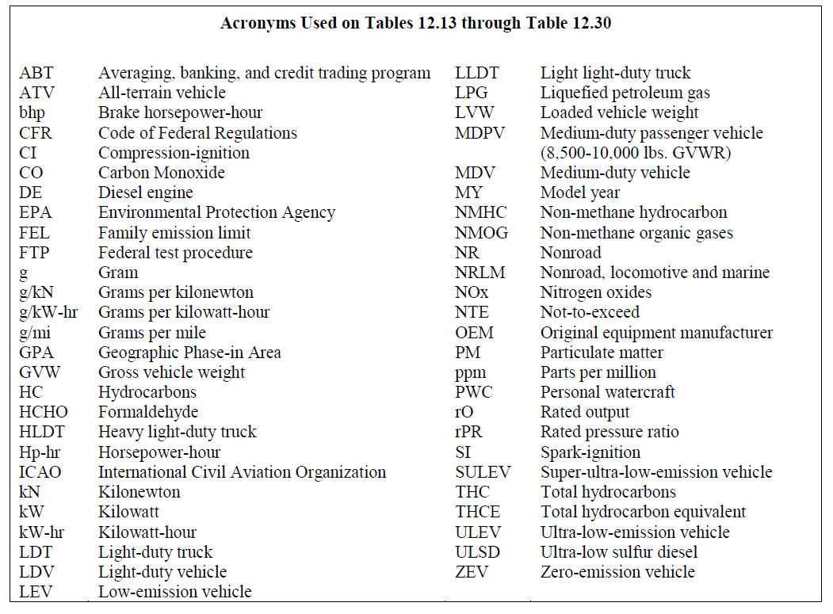
Emission Standards

The U.S. Environmental Protection Agency (EPA) regulates emissions from mobile sources including vehicles, engines, and motorized equipment that produce exhaust and evaporative emissions. Mobile sources contribute to four main air pollutants: carbon monoxide, hydrocarbons, nitrogen oxides, and particulate matter. The EPA not only sets standards for the vehicles, engines, and equipment, but also the fuels that they use. Tables 13.13 through Table 13.30 contain summaries of the current standards.

